Background
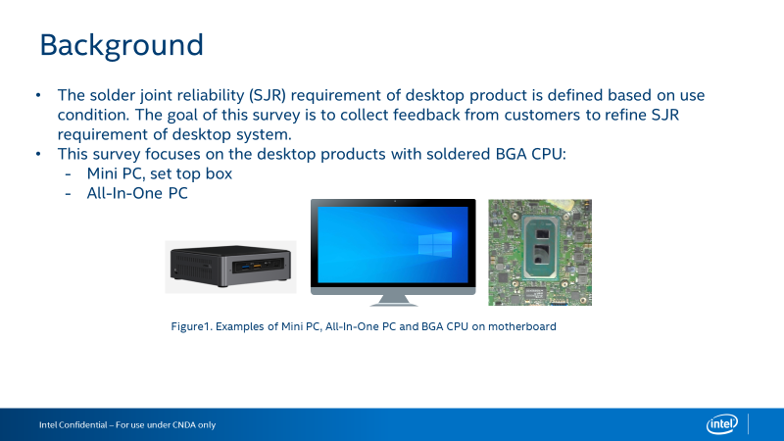

Questionnaire
Intel Confidential - Shared Under NDA

Category | Question | Example Answer | Name of the BGA Product（shenzhou) | Name of the BGA Product(DELPHI215I)
Product | What Intel BGA products are used in desktop products? | Eg., i7-10510U | CPU Socket | i3-1115G4
Category | Question | Example Answer | Desktop BGA Product - Mini PC, set top box (Solder BGA, not Socket LGA) | Desktop BGA Product - All - In - One (Solder BGA, not Socket LGA)
 |  |  |  | 
Board Level Testing - JEDEC Standard Temperature Cycle | Do you perform board level JEDEC standard temperature cycle (TC) testing for solder joint reliability? (if no, skip this section) | Eg., Yes or No | Yes | Yes
 | What loading parameters do you use for your board level TC? | Eg., Loaded from thermal solution, not-loaded | not-loaded | not-loaded
 | What board thickness do you use for your board level TC? | Eg., 1.6mm (62 mils) | 1.6mm | 1.2mm
 | What temperature range do you use for your board level TC? | Eg., -40 oC to +85 oC | Thermal circle test 600Times from -40℃ to 85℃，85~92%RH，Temperature Ramp Rate＞15℃/M ,Dwell Time of 10~15 Minutes | Thermal circle test 600Times from -40℃ to 85℃，85~92%RH，Temperature Ramp Rate＞15℃/M ,Dwell Time of 10~15 Minutes
 | What cycle length (including dwell time) do you use for your board level TC? | Eg., 1 hour cycle length, 15 minute dwell | 1 hour cycle length, 10~15 minute dwell | 1 hour cycle length, 10~15 minute dwell
 | Do you use adhesives on the Intel SOC for your board level TC? | Eg., Yes or No | No | No
 | How do you monitor your board level TC results? | Eg., In situ electrical monitoring or Dye & Pull or Cross Section | F/T test & Dye & Cross Section | F/T test & Dye & Cross Section
 | What is the passing criteria for your board level TC? | Eg., No resistance spikes >1000 Ohm or Dye & Pull Crack Percentage (<80%) | FT test pass, No solder joint crack(?) | FT test pass, No solder joint crack(?)
System Level Testing | What are your test conditions for system level reliability testing? | Eg., Drop test | Vibration test & Drop test | Vibration test & Drop test
Product Temperature Conditions | What is the expected average package idle temperature of the Intel SOC inside the system? | Eg., 50C | 50C | 50C
 | What is the expected full running temperature at TDP power of the Intel SOC inside the system? | Eg., 80C | 90±5C | 90±5C
 | What is the expected average external temperature of the system? | Eg., The system will be in an air conditioned room at an average temperature of 24 oC | 23±5° | 23±5°
Power Cycles | How many power cycles a day do you anticipate the product going through? | Eg., It will cycle from On to Off 4 times a day | It will cycle from On to Off 3 times a day | It will cycle from On to Off 3 times a day
 | How many active/standby cycles a day do you anticipate your end product going through? | Eg., It will cycle from Active to Idle 6 times a day | It will cycle from Active to Idle 8 times a day | It will cycle from Active to Idle 8 times a day
Board Level Adhesives | Do you have experience using board level adhesives? (if no, skip this section) | Eg., Yes or No | No | No
 | If using board level adhesives on the Intel SOC or another BGA, what kind of adhesive application do you use? | Eg., Corner glue, short/long edge glue, corner underfill | NA | NA
 | How do you decide whether to use board level adhesives? | Eg., Only use corner glue if drop test failed. | NA | NA
 | What adhesive brand and model do you use? | Eg., Brand ABC, Model XYZ | NA | NA

